QUICK TIPS
TAB 2:
 | Cover page--complete in full with information based on modified accrual.
 | Complete all information relating to Financial Officer/Director.

ALL DOCUMENTATION SUBMITTED MUST BE AT THE ITEMIZED LEVEL NOT SUMMARY.

TAB 3:

 | Do not send any of the following as this documenation cannot be used:
 | Sending this information slows down review response time as it has to be disposed of during review. In addition, your time is valuable so skipping this step allows you to move on to another task.
 | Purchase Orders
 | Copies of Checks
 | Bank Card Statements

 | A: Submit one monthly itemized invoice for each phone account.
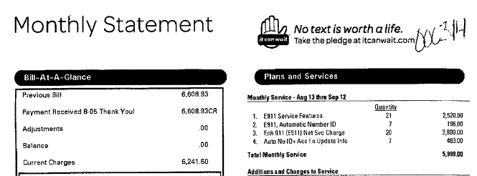

What are the service features?

 | B: If submitting an invoice with a generic description of service or purchase such as "software maintenance", the itemized details (contract and/or statement of work) must be submitted with invoice.

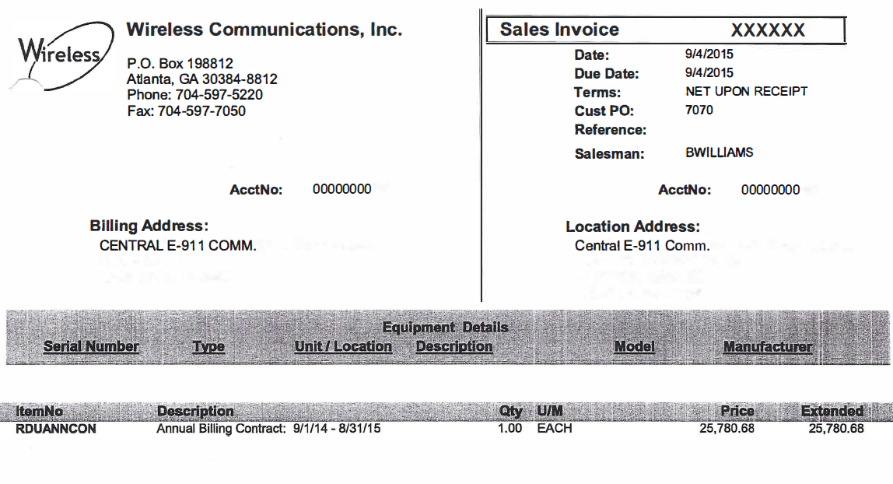

Annual billing of what?

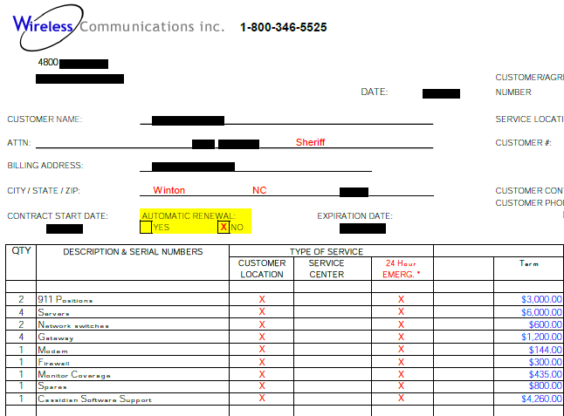

This is the correct info to send for this invoice.

 | C: Documentation is not needed if expense was claimed in prior year and is the same amount as prior year, place note in "Comments" sectionreferring to year original information was submitted. If claimed in prior year but amount changed, documentation will be needed for review.

 | D: Provide travel expense documentation.

 | E: If invoices are provided having little detail, provide the 911 use or statement of work. For example, CAT5 cable; what is the 911 use?

 | ***ELIGIBILTY COMMENTS FOR SOFTWARE & HARDWARE ARE NOTED ON RESPECTIVE TABS. Please scroll over cells to review comments.

 | ***The information provided on additional tabs represent items that are eligible and fall in-line with the Approved Use of Funds List. This list will continually be updated, so if an expense is not on the list contact staff for review.

