File Naming
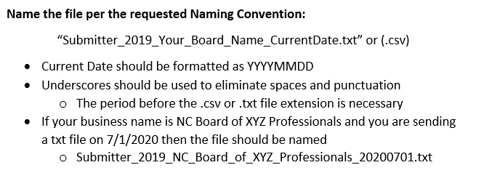
Submitter File Naming Convention

